MIC and Analysis
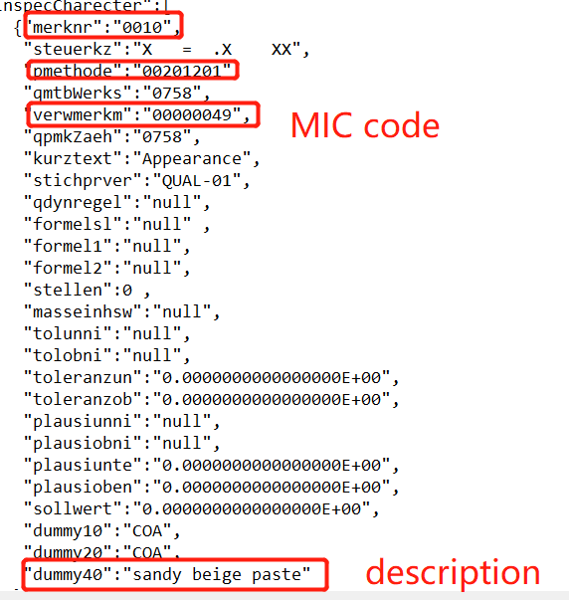
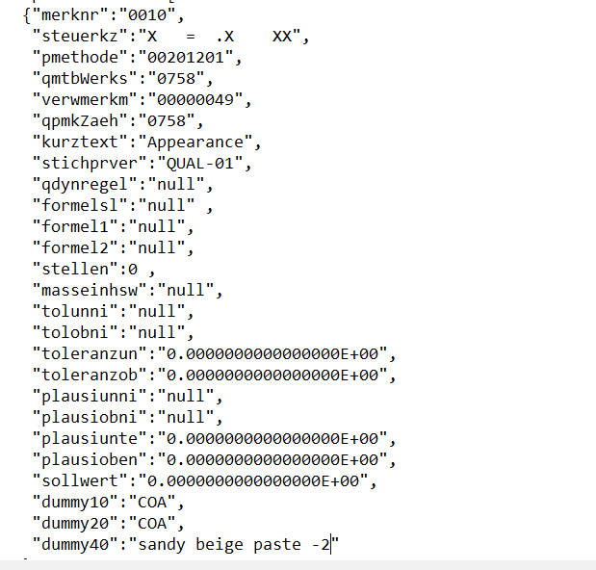
solutions 1: one MIC is equivelant to one Analysis in QCLAD |  |  |  | solutions 2: one Test Method is equivelant to one Analysis in QCLAD, and one MIC is equivelant to one Components in QCLAD.
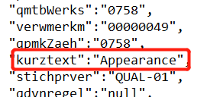
 |  | Analysis Name: | Appearance |  | Analysis Name: | 0010 ()+0000049+
 |  | plant | No need to differentiate ,thus no need this field |  | plant | No need to differentiate ,thus no need this field
 |  | Material | No need to differentiate ,thus no need this field |  | Material | No need to differentiate ,thus no need this field
 |  | Test Method | No need to differentiate ,thus no need this field |  | Test Method | will be considered
 |  | lists of components |  |  | lists of components
 |  | component name: | Appearance |  | component name: | Appearance

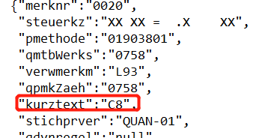
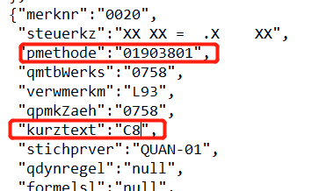
 |  | Analysis Name: | C8 |  | Analysis Name: | 01903801
 |  | plant | No need to differentiate ,thus no need this field |  | plant | No need to differentiate ,thus no need this field
 |  | Material | No need to differentiate ,thus no need this field |  | Material | No need to differentiate ,thus no need this field
 |  | Test Method | No need to differentiate ,thus no need this field |  | Test Method | will be considered
 |  | lists of components |  |  | lists of components
 |  | component name: | C8 |  | component name: | C8
 |  |  |  |  |  | C12

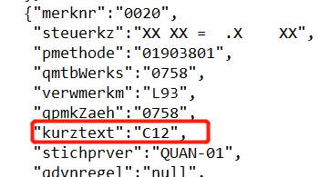
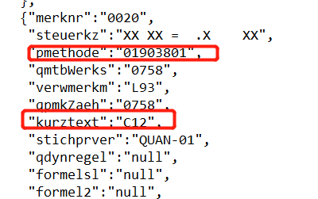
 |  | Analysis Name: | C12 |  | Analysis Name: | 01903801
 |  | plant | No need to differentiate ,thus no need this field |  | plant | No need to differentiate ,thus no need this field
 |  | Material | No need to differentiate ,thus no need this field |  | Material | No need to differentiate ,thus no need this field
 |  | Test Method | No need to differentiate ,thus no need this field |  | Test Method | will be considered
 |  | lists of components |  |  | lists of components
 |  | component name: | C12 |  | component name: | C8
 |  |  |  |  |  | C12

 | if going this way, there is impossible to match the Analysis and the test method in a acquisition batch in instrument workstation. would you have the |  |  | if going with such solutions, do you have the case that, under one Activity No (Operation No) of an inspection plan, one would only include MIC C8; one would only include C 12; one would include both C8 and C12?

 |  |  |  |  | GC | Com 1
 |  |  |  |  |  | Com 2
 |  |  |  |  |  | Com 3

Control indicators
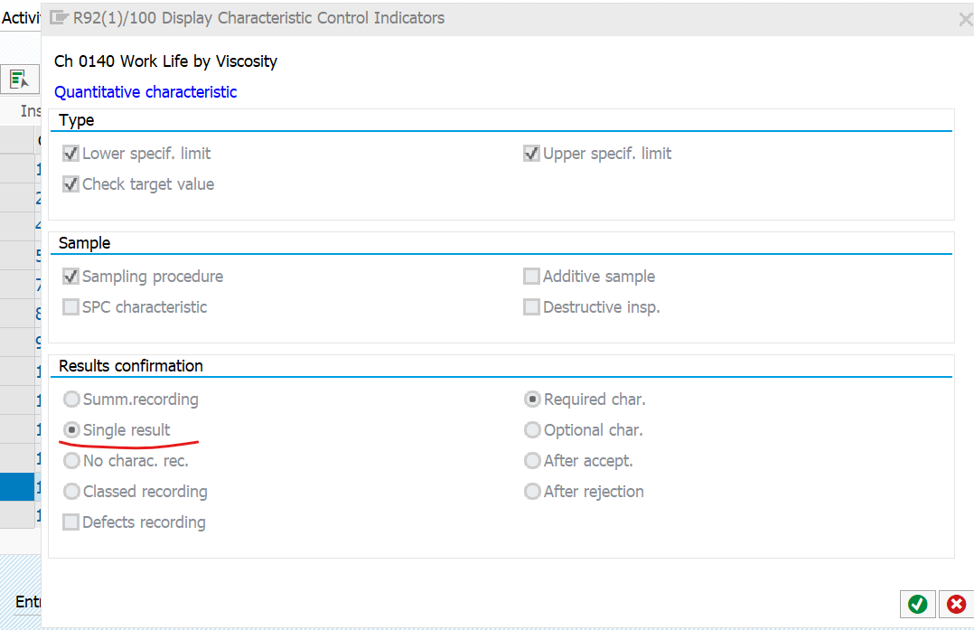
Chararacter position | Meaning | Values | QPMK-STEUERKZ details
1 | Quant or Qual charac | X is quant, Null is Qual.
2 | Record measured Values | X or Null, (set to null if 1 is qual)
3 | Characteristic Attributes | X or Null
4 | Upper Spec | X or Null
5 | Lower Spec | X or Null
6 | Target Value | X or Null
7 | Scope | = is Fixed, > is Larger, < is smaller, Null is No Scope**
8 | Long term inspection | X or Null
9 | Recording type | + is individual, null is summarized, - is no recording, * is classed recording
10 | Documentation | Null is no documentation
 |  | . (period) is doc required if rejected
 |  | + is doc required
11 | Charac. req. or not | X is required, Null is optional, + is after acceptance, - is after rejection
12* | Synchronization is Active | X or Null
13 | Additive charac. | X or Null
14 | Destructive charac. | X or Null
15 | Formula | Null is no formula, X is calculated chara, 1 is input processing
16 | Sampling proc. Required | X or Null
17 | Scrap Share/Q score | X or Null
18* | Fixed | X or Null – Ctrl indicators can not be changed
19* | Record # defects | X or Null – Allows recording of # of defects in addition to # of nonconforming units
20* | Subsystem | X or Null - For control stations – Not QM relevant
21* | Specifications | X or Null - Can Change specs
22 | Test Equipment | X or Null
23 | Defects recording | X or Null
24 | RR Change Docs | X or Null
25 | SPC charac. | X or Null
26 | Print | Null is print, X – Do no print, * is do not print at skip
27* | Parameter Characteristic | X or Null - Can be used as a Parameter characteristic
28* | Process Characteristic | X or Null - Characteristic of a the process
29 | UNKNOWN
30 | UNKNOWN

